Sheet1
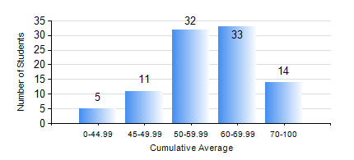
 |  |  | KWAME NKRUMAH UNIVERSITY OF SCIENCE AND TECHNOLOGY, KUMASI Department of Materials Engineering

 |  |  | BSC. MATERIALS ENG.

 |  |  | COMPREHENSIVE RECORD OF EXAMINATION RESULTS

 |  |  | RESULTS OF YEAR 2 SECOND SEMESTER, 2024/2025 ACADEMIC YEAR

 | Sn | Course Code |  | Course Name | Credit Hours | Min. Mark | Max. Mark | Avg. Mark | Std. Dev. | No. Passed | No. Trailed | No. (Df) | No. (I) | No. (I*) | No. Tagged(I,I*,Df) | Total
 | 0. |  |  |  |  |  |  | 0 | 0 | 0 | 0 | 0 | 0 | 0 | 0 | 5
 | 1. | MATH 252 |  | CALCULUS WITH SEVERAL VARIABLES | 4 | 40 | 94 | 62 | 11.67 | 89 | 0 | 0 | 1 | 0 | 1 | 90
 | 2. | MSE 252 |  | HEAT AND MASS TRANSPORT | 3 | 20 | 87 | 57 | 12.71 | 83 | 6 | 0 | 1 | 0 | 1 | 90
 | 3. | MSE 254 |  | MATERIALS PROCESSING | 3 | 28 | 83 | 56 | 11.29 | 79 | 5 | 5 | 1 | 0 | 6 | 90
 | 4. | MSE 256 |  | ENVIRONMENTAL SCIENCE | 2 | 40 | 76 | 61 | 8.36 | 89 | 0 | 0 | 1 | 0 | 1 | 90
 | 5. | MSE 258 |  | PHYSICAL METALLURGY OF NON-FERROUS METALS | 2 | 40 | 72 | 58 | 7.7 | 89 | 0 | 0 | 1 | 0 | 1 | 90
 | 6. | MSE 260 |  | PHASE TRANSFORMATIONS | 2 | 21 | 92 | 55 | 14.84 | 80 | 8 | 1 | 1 | 0 | 2 | 90
 | 7. | MSE 262 |  | COMPUTER PROGRAMMING AND APPLICATION | 2 | 20 | 93 | 63 | 12.47 | 88 | 1 | 0 | 1 | 0 | 1 | 90

